Other
Image | Product Name
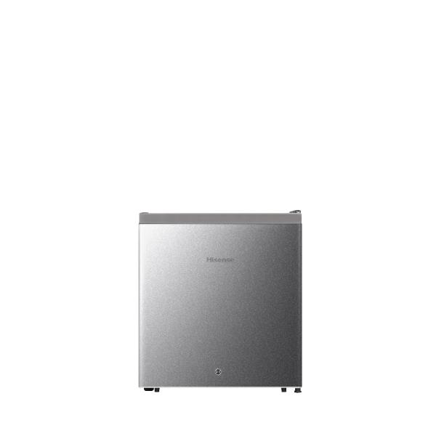 | Kulkas Mini Portable 46L Mini Bar

